Screenshot
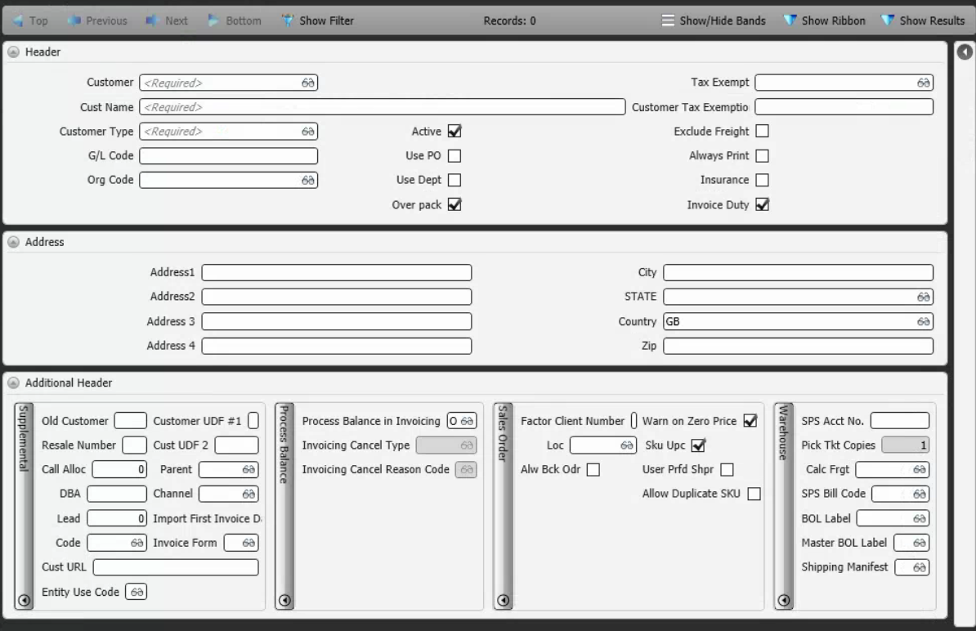
Reference Screen | Customer master

